1
1) ENGLISH ITEM NAME (ex : OOOO machine) | 2)中文名称 | 3) MANUFACTUROR (ex : OOO company) | 4) MODEL NO (ex : abc-123) | 5)Serial number | 6)CN hs code | 7)VN hs code | 8)Material | 9) VOLTAGE (ex : 220V) | 10) CAPACITY (ex :1200KW) | 11) Manufacture date (yyyy-mm-dd) | 12) ORIGIN | 13) NEW or USED | 14) PICTURE (BEFORE PACKING) | 15) PICTURE (NAME PLATE or label) | 16)Quantity | 17)cost(RMB 13%VAT) | 18)cost(USD) | 19)Total cost(USD) | 20)CARTON NO. | 21)CTN QTY | 22)G.W(KGS) | 23)N.W(KGS) | 24)Package Size(CM) | 25)Part size(CM) | 26)应用范围 | 27)是否带电源
POWER PCBA | 电源板 | Techsen Electronics(ShenZhen)Co.,Ltd | BC | / |  |  | 电子板 | AC220V | 60W | 2026-04-08 | China | NEW | 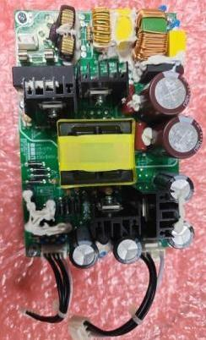 | 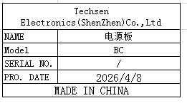 | 1 | 200 |  |  | P1 | 1 | 18 | 0.42 | 59X39X32 | 15X10X4 | FCT repair | NO
High precision electronic scale | 高精度电子秤 | Yuedi Electronic Balance CO.Ltd | BL-(X) | / |  |  | 铁+电子元件 | DC3V | 0.5W | 2026-04-21 | China | NEW | 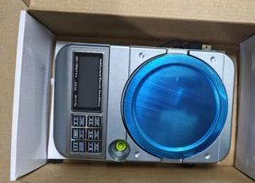 | 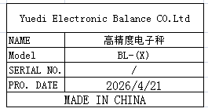 | 5 | 180 |  |  |  |  |  | 4.18 |  | 25X16.5X7 | Tooling | NO
plastic shell | 塑胶盒 | Wenzhou Miba Electrical Hardware Store | F | / |  |  | 塑料+铁 | / | / | 2026-04-21 | China | NEW | 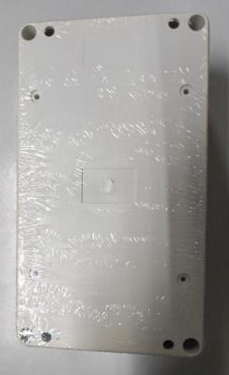 | 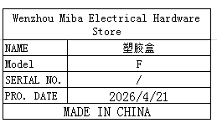 | 20 | 8 |  |  |  |  |  | 3.76 |  | 158X90X60 | TEST USE | NO
button box | 按钮盒 | Yueqing Dazhi Electric Appliance Co., Ltd | / | / |  |  | 塑料+铁 | / | / | 2026-04-21 | China | NEW | 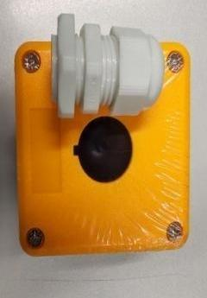 | 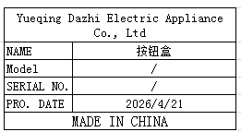 | 30 | 9 |  |  |  |  |  | 3.36 |  | 7.3X7.3X6.6 | Tooling | NO
Audio signal cable | 音频信号线 | FOSHAN YIXIANTIAN TECHNOLOGY.,LTD | FD-158A | / |  |  | 电子线 | / | / | 2026-01-05 | China | NEW |  | 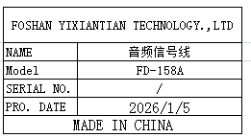 | 100M | 4.8 |  |  |  |  |  | 4.79 |  | 25X25X13.5 | TEST USE | NO
audio cable | 音频线 | EFSHIU ELECTRONICS CO.,LTD | YX-1434 | / |  |  | 电子线+橡胶 | / | / | 2025-12-05 | China | NEW | 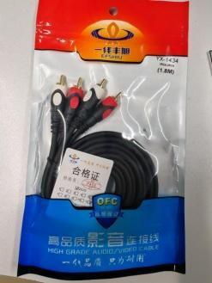 |  | 20 | 18 |  |  | P2 | 1 | 20 | 2.72 | 53X36X29 | 23X14X1.5 | TEST USE | NO
audio cable | 音频线 | Guangzhou Wire Store | 3.5 to 3.5 | / |  |  | 电子线+橡胶 | / | / | 2025-12-05 | China | NEW |  | 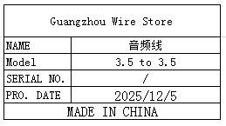 | 40 | 7 |  |  |  |  |  | 1.35 |  | 23X6 | TEST USE | NO
audio cable | 音频线 | Shenzhen Youke Electronic Business Department | AUX | / |  |  | 电子线+橡胶 | / | / | 2025-12-05 | China | NEW |  | 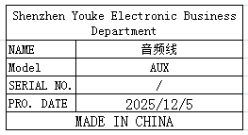 | 20 | 8 |  |  |  |  |  | 0.72 |  | 15X6 | TEST USE | NO
audio cable | 音频线 | EFSHIU ELECTRONICS CO.,LTD | YX-1363 | / |  |  | 电子线+橡胶 | / | / | 2025-12-05 | China | NEW | 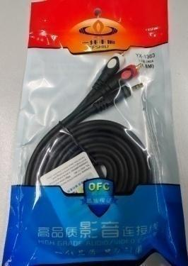 | 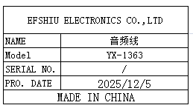 | 20 | 13 |  |  |  |  |  | 2.63 |  | 23X14X1.5 | TEST USE | NO
audio cable | 音频线 | EFSHIU ELECTRONICS CO.,LTD | YX-1632 | / |  |  | 电子线+橡胶 | / | / | 2025-12-05 | China | NEW | 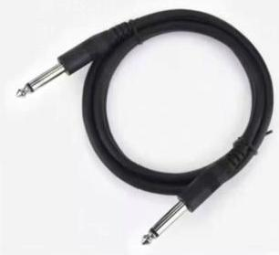 | 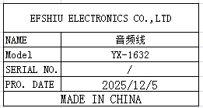 | 40 | 15 |  |  |  |  |  | 2.63 |  | 23X14X1.5 | TEST USE | NO
USB cable | USB 线 | Yuditong wire CO.,LTD | TYPE C | / |  |  | 电子线+铁 | / | / | 2026.4.20 | China | NEW |  | 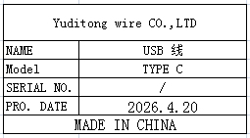 | 20 | 8 |  |  |  |  |  | 0.06 |  | 10.5X3.5 | TEST USE | NO
Power plug cable | 电源插头线 | JUCZO electronics factory | DC | / |  |  | 电子线 | / | / | 2025-12-06 | China | NEW | 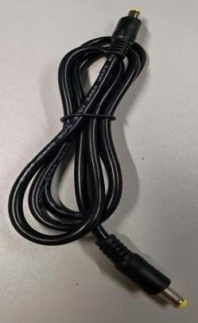 | 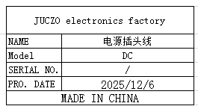 | 30 | 6 |  |  |  |  |  | 1.27 |  | 18X3 | TEST USE | NO
Canon plug | 卡侬插头 | South China Electronic Wholesale Department | MIC | / |  |  | 铁+塑胶 | / | / | 2025-12-07 | China | NEW |  | 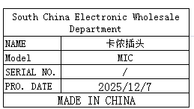 | 30 | 9 |  |  |  |  |  | 1.56 |  | 6.5X2 | TEST USE | NO
banana plug | 香蕉插头 | SICHI ELECTRONICS CO.,LTD | M4 | / |  |  | 铁+塑胶 | / | / | 2025-12-08 | China | NEW |  | 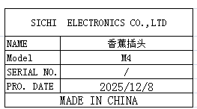 | 30 | 1 |  |  |  |  |  | 0.14 |  | 4X0.5 | TEST USE | NO
Audio plug | 音频插头 | Yongsheng Electronics Co., Ltd | 6.35mm/RCA | / |  |  | 铁 | / | / | 2025-12-08 | China | NEW |  | 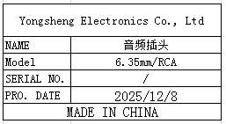 | 20 | 3 |  |  |  |  |  | 0.22 |  | 9X1X1 | TEST USE | NO
Audio plug | 音频插头 | Yongsheng Electronics Co., Ltd | 6.35mm/3.5 | / |  |  | 铁 | / | / | 2025-12-08 | China | NEW | 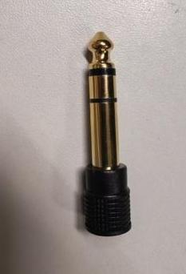 | 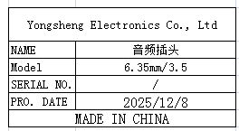 | 20 | 3 |  |  |  |  |  | 0.11 |  | 9X1X1 | TEST USE | NO
Audio plug | 音频插头 | Yongsheng Electronics Co., Ltd | 6.35mm | / |  |  | 铁 | / | / | 2025-11-05 | CHINA | NEW |  | 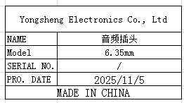 | 50 | 4.5 |  |  |  |  |  | 0.84 |  | 9X1X1 | TEST USE | NO
Audio conversion plug | 音频转换插头 | Guangzhou Yihong Electric Appliance Store | RCA TO BNC | / |  |  | 铁 | / | / | 2026-04-15 | CHINA | NEW |  | 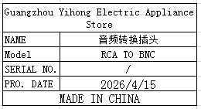 | 20 | 6 |  |  |  |  |  | 0.15 |  | 3X1.5 | TEST USE | NO
Dummy cell | 假电池 | Techsen Electronics(ShenZhen)Co.,Ltd | AA | / |  |  | 赛钢 | / | / | 2026-04-22 | China | NEW | 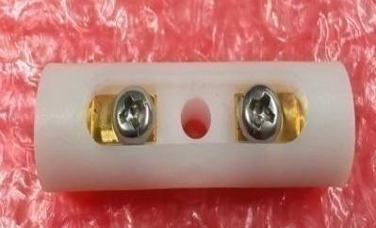 | 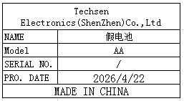 | 20 | 45 |  |  |  |  |  | 0.43 |  | 5X1.2 | TEST USE | NO
Electric screwdriver bit | 电动螺丝刀批咀 | weeli Co.LTD | Y4x60 | / |  |  | 铁 | / | / | 2025-12-08 | China | NEW |  | 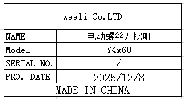 | 40 | 4 |  |  |  |  |  | 0.28 |  | 0.4X60 | Tooling | NO
Heating tube | 发热管 | Jingyi Electric Heating Equipment Store | 9.5X50 | / |  |  | 电子线+铁 | 220V | 250W | 2026-04-15 | China | NEW |  | 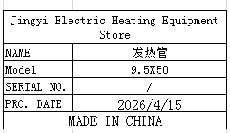 | 5 | 9 |  |  |  |  |  | 0.12 |  | 0.95X23 | Tool Repair | NO
button switch | 按钮开关 | YIJIA Industrial Control Electrical Appliance Co., Ltd | LA38-11BN | / |  |  | 塑胶+铁片 | / | / | 2025-12-08 | China | NEW |  | 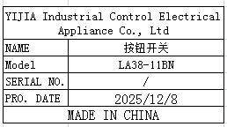 | 5 | 10 |  |  |  |  |  | 0.25 |  | 4X3X6.5 | Tool Repair | NO
Lock side screw fixture | 锁侧面螺丝治具 | Techsen Electronics(ShenZhen)Co.,Ltd | VE-8 | VE-8F15 |  |  | 电木板+亚加历 | / | / | 2026-04-25 | China | NEW | 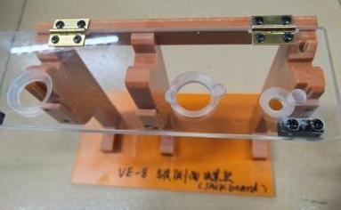 | 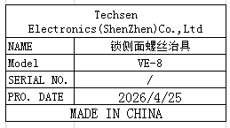 | 1 | 60 |  |  |  |  |  | 0.82 |  | 23X12X20 | Assembly | NO
Button | 按钮 | CHINA AOMENG ELECTRIC GROUP CO.,LTD | LA16Y | / |  |  | 塑胶+铁 | / | / | 2025-12-08 | China | NEW |  | 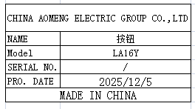 | 20 | 5 |  |  |  |  |  | 0.22 |  | 4X2X2 | Tooling | NO
Safety critical blade | 安全批锋刀 | Novel Display Products Factory | / | / |  |  | 塑胶+铁 | / | / | 2025-12-08 | China | NEW | 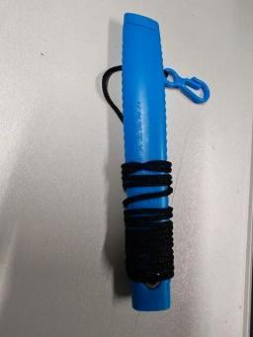 | 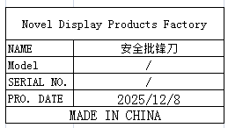 | 10 | 10 |  |  |  |  |  | 0.23 |  | 14X2X1 | Tooling | NO
Hexagon socket screwdriver | 六角批咀 | weeli Co.LTD | H14 | / |  |  | 铁 | / | / | 2025-12-08 | China | NEW |  | 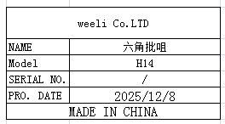 | 5 | 7 |  |  |  |  |  | 0.23 |  | 6.5X1.3X1.3 | Tooling | NO
Probing needle | 探 针 | Huarong Probe Co. , Ltd | P125-B | / |  |  | 钢 | / | / | 2026-04-15 | CHINA | NEW | 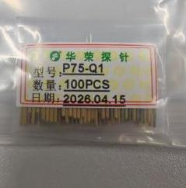 | 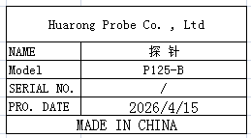 | 100 | 0.6 |  |  |  |  |  | 0.02 |  | 5X3.5 | FCT repair | NO
Screwdriver motor | 电动螺丝刀转子 | JOHNSON ELECTRIC CO.,Ltd | 802 | / |  |  | 铁 | DC24V | 10W | 2026-02-25 | CHINA | NEW |  |  | 20 | 21 |  |  |  |  |  | 1.3 |  | 7X3.7 | Tool Repair | NO
Manual punching machine | 手动冲压机 | SANOING ELECTROMECHANICAL CO.,LTD | JS-01 | / |  |  | 铁 | / | / | 2026-04-15 | CHINA | NEW |  |  | 3 | 270 |  |  | P3/P4/P5 | 3 | 15 | 13 | 48X28X25 | 50X28X18 | Tooling | NO
SMT Printing Net | SMT印刷网 | Shenzhen Changke Excellence Technology Co., LTD | SRIC-4 REVK MAIN | 100-07039-01-03 |  |  | 钢/铝 |  |  | 2026.04.28 | China | NEW |  |  | 1 | 270 |  |  | P6 | 1 | 2 | 1 | 57*67*5CM | 55*65*3CM | SMT | NO

